Module 17
Main
 | Module 17 - Share-based Payment

 | cash amount related to the value of the equity instruments is treated as a share bases payment

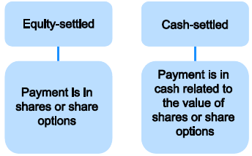

 | cash alternatives are not in scope of ICAS

 | recognition is the same as cash

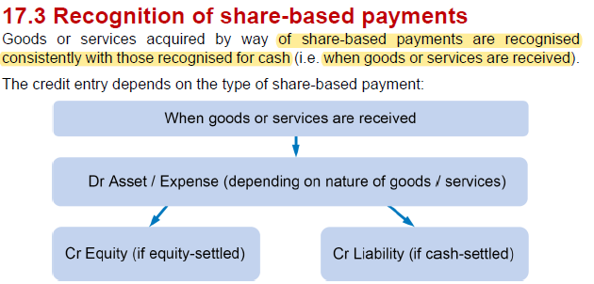

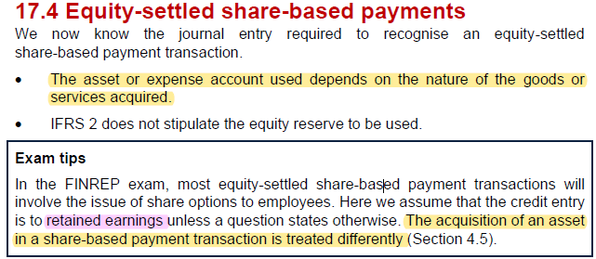

 | net affect of share based payment on distributable profits is nil

 | It is presumed the fair value of services provided by employees cannot be estimated reliably

 | EE's - measurement date is the grant date

 | EE's | 600
 | options | 200
 | value | 5
 | FV | 600,000

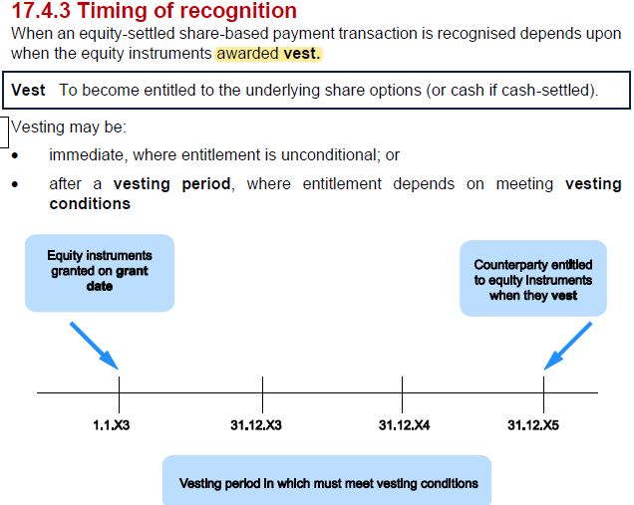

 | vesting period and vesting conditions

 | the cost is recognised over the 3 year vesting period at £200k pa.
 | 1/3*600
 | in each of the year ended 31/12/21,22,23 the required journal entry is

 | dr - staff costs |  |  | 200
 |  | cr - RE |  |  | 200
 | being recognition of share-based payments

 | the fair value is not adjusted for each year
 | it will stay at the nominal value as at the grant date

 | can be service conditions, or performance conditions

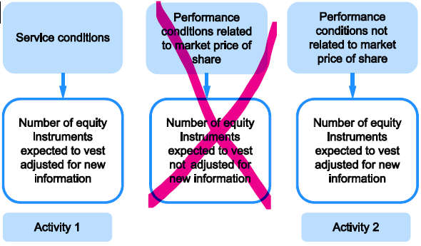

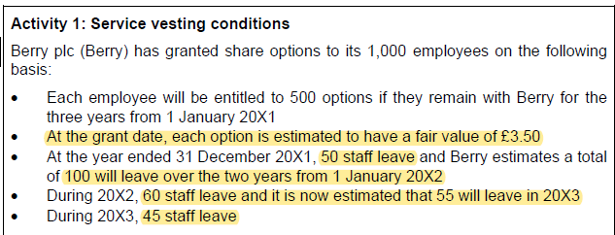

 | Actiovty 1 - Service conditions

 | YE | EE's | option/EE | option price | expense | equity
 | 2021-12-31 | 850 | 500 | 3.5 | 496 | 496
 | 2022-12-31 | 835 | 500 | 3.5 | 487 | 974
 | 2023-12-31 | 845 | 500 | 3.5 | 493 | 1,479

 | dr - SPL staff cost |  |  | 505
 |  | cr - Retained earnigns |  |  | 505
 | being share based payment expense for the YE 31/12/23

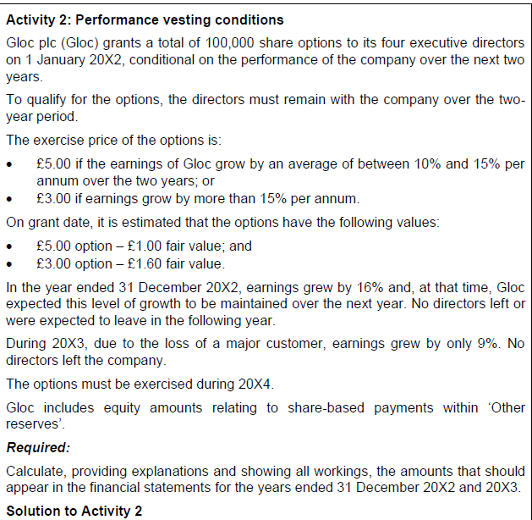

 | Activity 2 - Performance conditons

 | YE | no. options | option price | expense | equity
 | 2021-12-31 | 100 | 1.6 | 80 | 80
 | 2022-12-31 | 100 | 1 | 20 | 100
 |  |  | <<<price chagne as the performance requirements not met

 | Exercise or Lapse

 | Exercise
 | dr - bank
 |  | cr - share captila
 |  | cr - share premium

 | Lapse
 | no adjustment is made to total equity

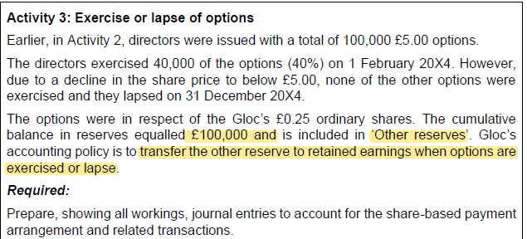

 | SC |  | 10
 | SP |  | 190
 | proceeds from issue of shares |  | 200

 | dr - bank |  |  | 200
 |  | cr - SC |  |  | 10
 |  | cr - SP |  |  | 190
 | being issue of shares on exercise of options

 | dr - other reserves |  |  | 40
 |  | cr - RE |  |  | 40
 | being transfer to RE on excerise of 40% of optiosn

 | 2024-12-31
 | dr - |  |  | 60
 |  | cr -RE |  |  | 60
 | being transfer to retained earnings on lapse of remaining 60% of options

 | Acquisition of an asset

 | SC | 500
 | SP | 3000
 | FV | 3500

 | dr - property cost |  |  | 3500
 |  | cr - share capital |  |  | 500
 |  | cr -share premium |  |  | 3000
 | being issue of share for property

 | Cash settles share based payments
 | IFRS 2 - Share appreciation rights

 | unpaid cash-settles share based payment transactions regonises a libailty and no equity
 | The liability is classiffied as current or non-current depening on the payment date

 | FV is determing using an option pricing model
 | measurement is adjusted for the expected number of rewards which will vest over the period
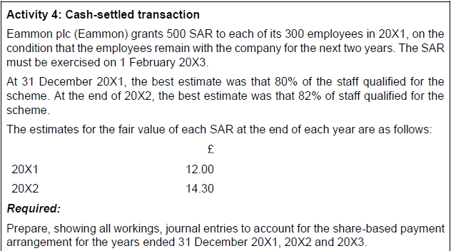

 | 2021 | 12
 | 2022 | 14.3

 | YE |  |  |  | Expense | Liability
 | 2021-12-31 | 720,000 |  |  | 720 | 720
 | 2022-12-31 | 1,038,900 |  |  | 1,039 | 1,759
 | 2023-12-31

 | YE 31/12/2021
 | dr - staff costs |  |  | 720
 |  | cr - other payables |  |  | 720
 | being share based payment expense for the year ended 31/12/21

 | YE 31/12/22

 | dr - SPL - staff costs |  |  | 1,039
 |  | cr - other payables |  |  | 1,039
 | being share based payment expense for the year ended 31/12/2022

 | Year ended 31/12/23

 | dr - other payables |  |  | 1,759
 |  | cr - bank |  |  | 1,759
 | being settlement of share based payment liability on 1/2/23

